Sheet1
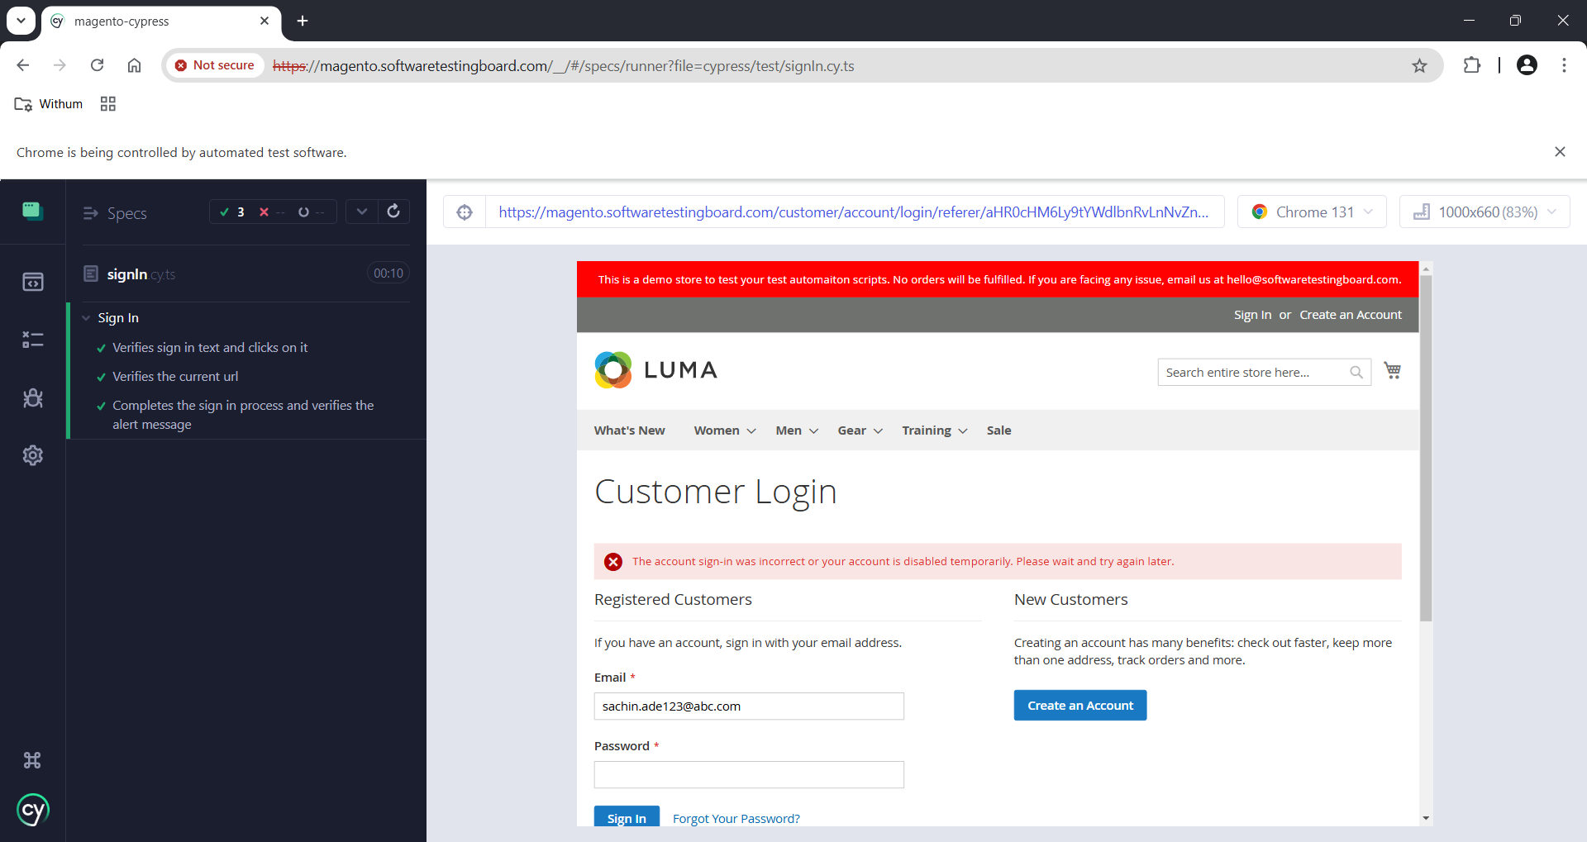
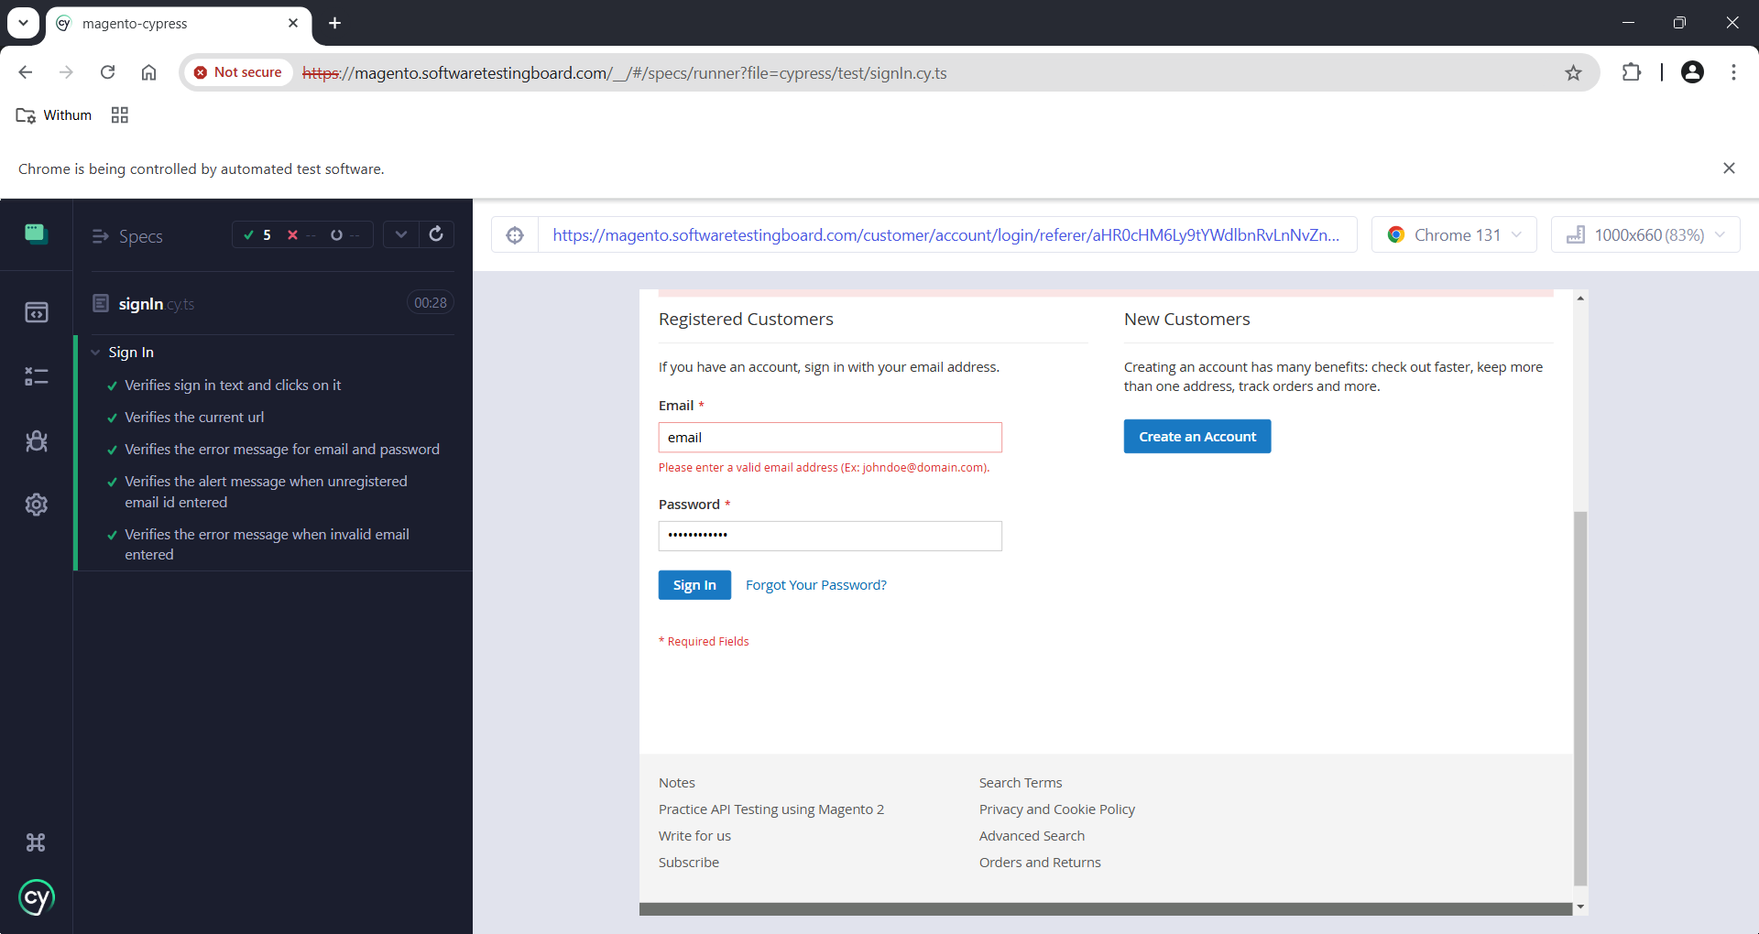
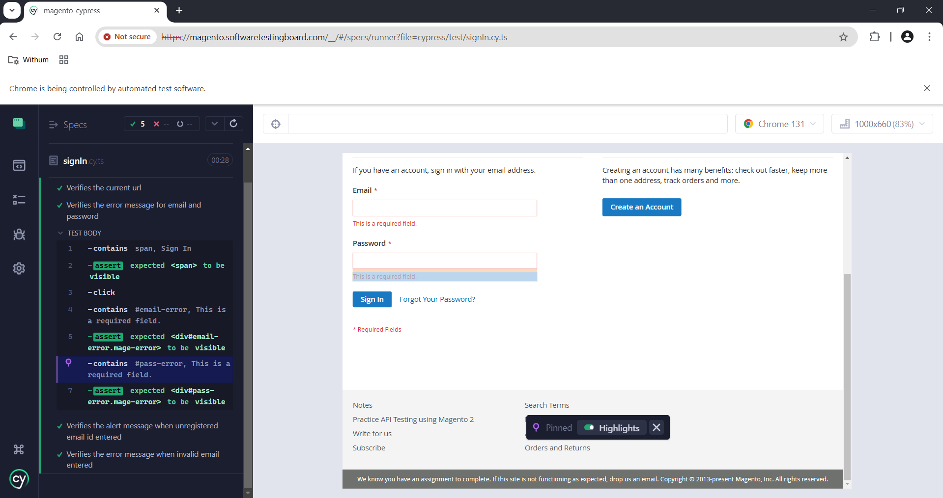
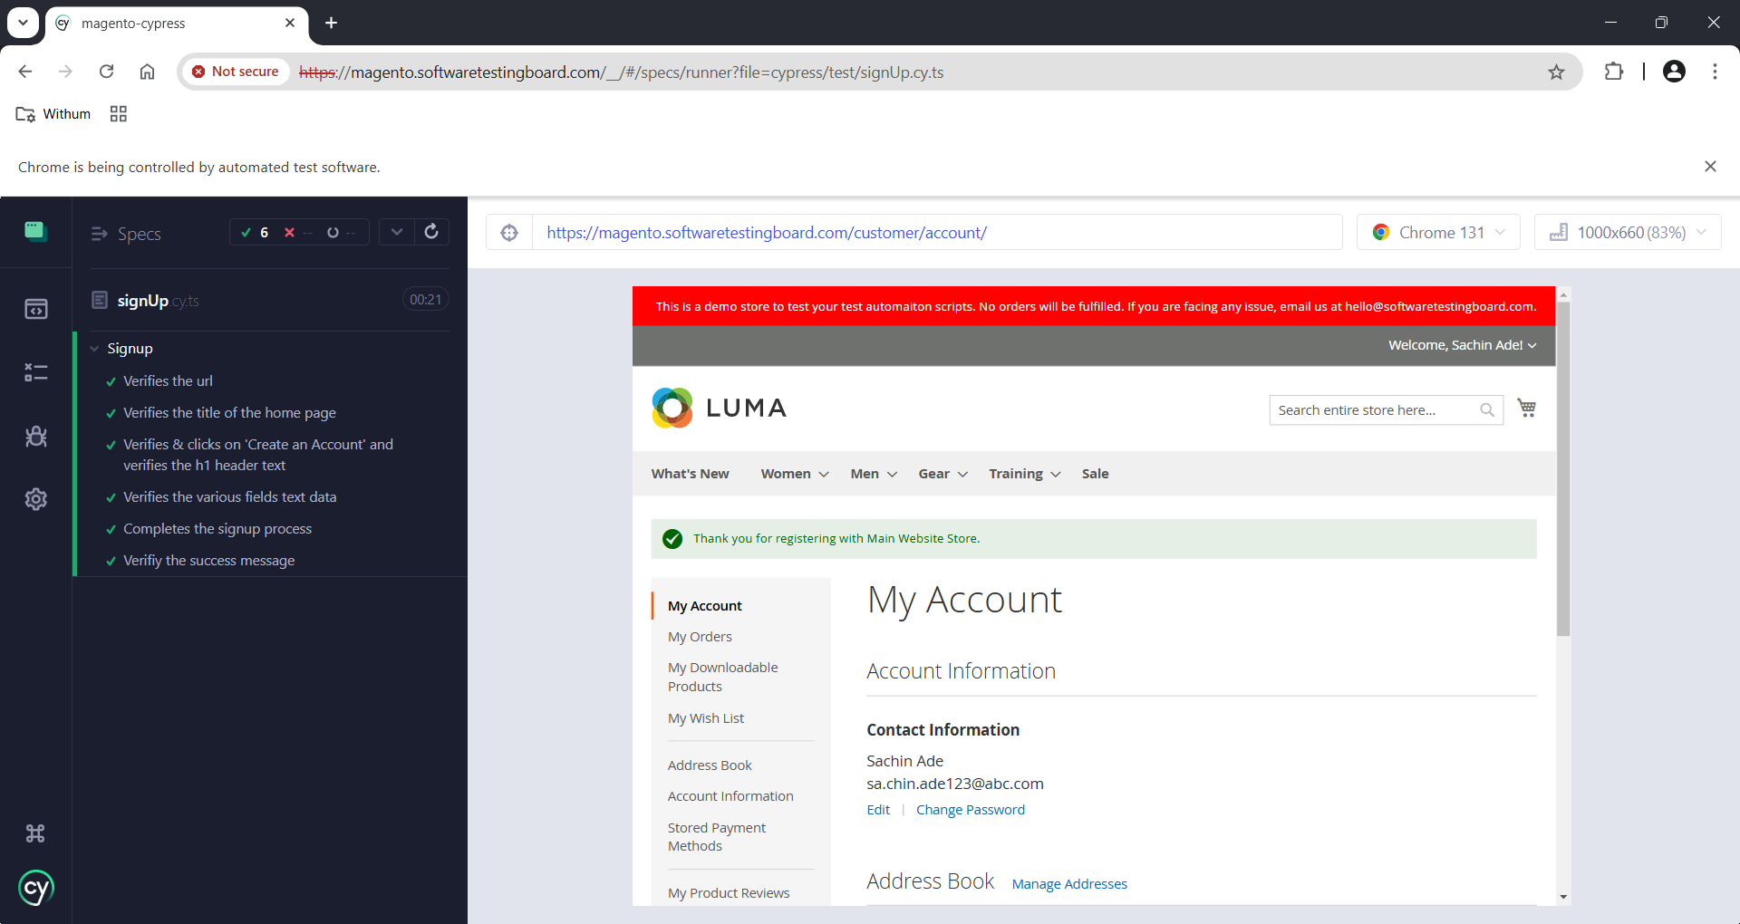
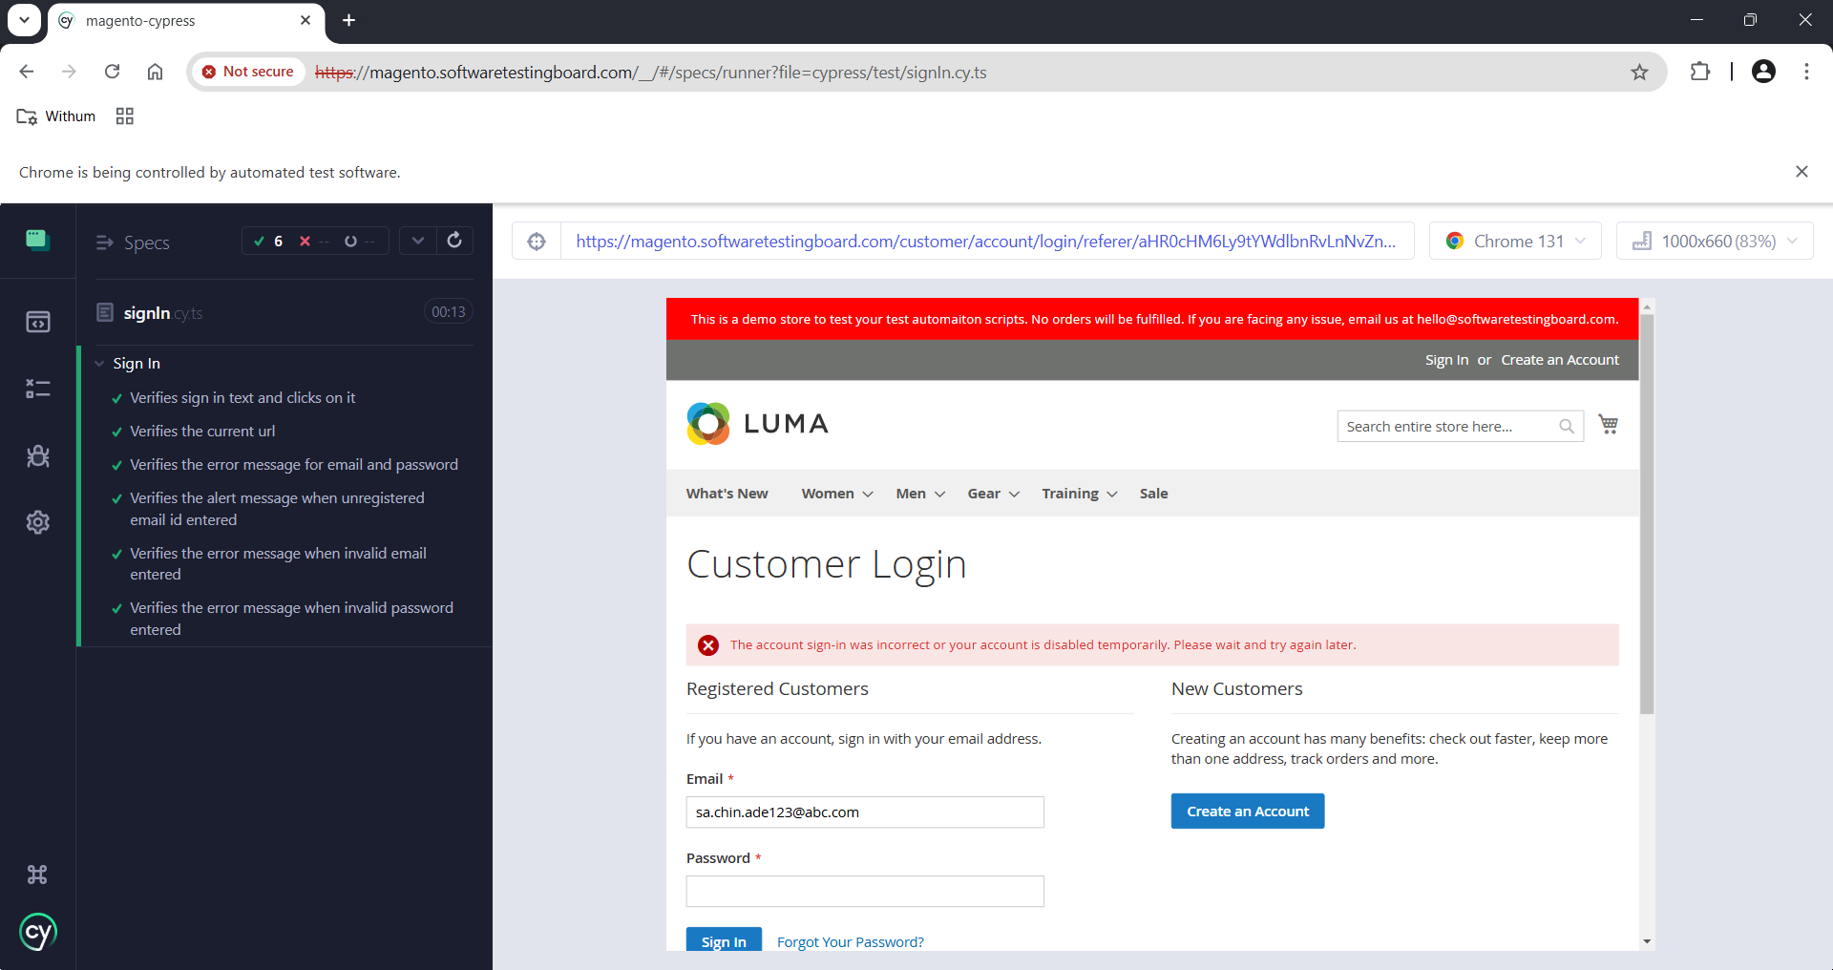
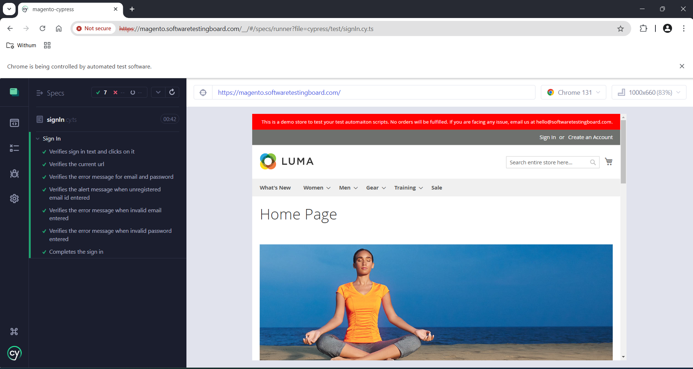
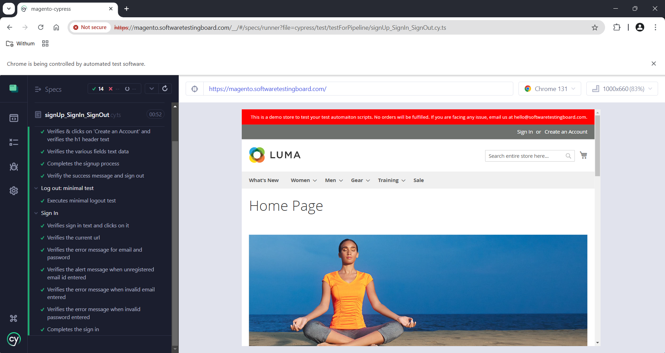
Sr. no. | Test Case Id | Test Case Title | Test Data | Expected behavior | Actual behavior | Result
1 | SI-ATC01 | Navigates to the URL | URL: https://magento.softwaretestingboard.com | Should navigate to the actual URL | Navigating to the URL by using '.visit()' method | Passed
2 | SI-ATC02 | Verifies sign in button text and clicks on sign in button | Button Text: Sign In | Shoud be visible and clickable | It is clickable as well as visible | Passed
3 | SI-ATC03 | Verifies the current url | Current URL: https://magento.softwaretestingboard.com/customer/account/login | After clicking on Sign In button, it should land to current URL | Navigating to the current URL | Passed
4 | SI-ATC04 | Verifies the error message for email and password | Error Message: 'This is a required field.' | Error message should be visible | Error message is visible | Passed
5 | SI-ATC05 | Verifies the alert message when unregistered email id entered | Alert message: 'The account sign-in was incorrect or your account is disabled temporarily. Please wait and try again later.' | Alert message should be visible | Alert message is visible | Passed
6 | SI-ATC06 | Verifies the error message when invalid email entered | Warning Error Message: 'Please enter a valid email address (Ex: johndoe@domain.com).' | Warning message should be visible | Warning message is visible | Passed
7 | SI-ATC07 | Verifies the error message when invalid password entered | Error Message: 'The account sign-in was incorrect or your account is disabled temporarily. Please wait and try again later.' | Error message should be visible | Error message is visible | Passed
8 | SI-ATC08 | Completes the sign in | Email, Password | Should login after clicking on the sign in button | Completes the sign in process successfully after entering right credentials | Passed

 |  |  | Screenshot |  |  |  | Note: For Test Steps, please go through my Automation Scripts

